Valkyrie Base Frame BOM 02
PROJECT VALKYRIE
Ultra Advanced - High End - High Temp - DIY CoreXY - 3D Printer
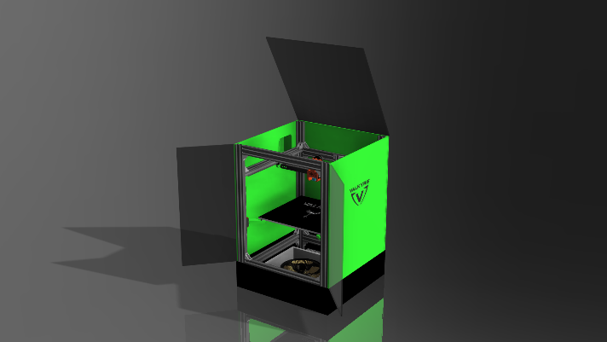
 | Develompment Team Members
 | Mark Bridgewater - NZ
 | Chris Lombardi - US
 | Roy Berntsen - NO

 | Category | Part Type | Description | Cut Length mm | Total mm | BOM Quantity | Order Quantity | Budget Unit Price $ | Budget Batch Price $ | Budget Parts Link | HQ Unit Price $ | HQ Batch Price $ | HQ Parts Link | DIN | ISO
 | Hardware | T-Slot 2020 | 2020 Z Center Back 500 | 500 | 500 | 1
 | Hardware | T-Slot 2040 | 2040 X 420 | 420 | 1680 | 4
 | Hardware | T-Slot 2040 | 2040 Y 460 | 460 | 1840 | 4
 | Hardware | T-Slot 2040 | 2040 Z 700 | 700 | 2800 | 4
 | Hardware | T-Slot 2040 1500 | 2040 Full Length | 1500 | 6320 | 4.2 | 5 | 23.20 | $116.0
 | Hardware | T-Slot 2020 500 | 2020 Full Length | 500 | 500 | 1 | 1 | 6.00 | $6.0
 | Hardware | T-Slot 2040 | Extrusion Presicion Cut |  |  | 12 | 12 | 2.00 | $24.0
 | Hardware | Bracket | 2020 L Bracket |  |  | 6 | 10 | 0.80 | $8.0
 | Hardware | Bracket | 2028 L Bracket |  |  | 32 | 32 | 1.03 | $33.0
 | Hardware | Tube | 20x20x18 Carbon Tube | 410 | 500 | 1 | 1 | 20.00 | $20.0 | Link
 | Fasteners | Nut | M5 T-Nut |  |  | 76 | 100 | 0.11 | $11.0
 | Fasteners | T-Nut | Drop In T-Nut |  |  | 0 | 50 | 0.30 | $15.0
 | Fasteners | Washer | Stop Washer |  |  | 76 | 100 | 0.10 | $10.0
 | Fasteners | Screw | Button Head Screw |  |  | 76 | 100 | 0.21 | $21.0 |  |  |  |  |  | 7380
 | Fasteners | Screw | Button Head Screw |  |  | 0 | 20 | 0.20 | $4.0 |  |  |  |  |  | 7380
 | Motionparts | Belt | 2GT 9mm Drive Belt | 100 | 6585 |  | 2 | 22.25 | $44.5 | Link
 | Motionparts | Idler | 2GT 11mm Smooth Idlers |  |  | 10 | 10 | 4.10 | $41.0 | Link
 | Motionparts | Idler | 2GT 11mm Toothed Idlers |  |  | 2 | 2 | 6.00 | $12.0 | Link
 | Motionparts | Pulley | 2GT 11mm Pulleys |  |  | 5 | 5 | 4.00 | $20.0 | Link
 | Motionparts | Pulley | 2GT 7mm Pulleys 80T |  |  | 3 | 3 | 5.00 | $15.0 | Link
 | Motionparts | Pulley Gear | 2GT 20T-80T 4:1 Belt Gear | 200 | 600 | 3 | 3 | 15.00 | $45.0 | Link
 | Motionparts | Steppermotor | NEMA 17 1.7A 0.9 40mm |  |  | 3 | 3 | 11.00 | $33.0 |  | 11.00 | $33.0 | Link
 | Motionparts | Steppermotor | NEMA 17 1.7A 0.9 40mm |  |  | 2 | 2 | 13.00 | $26.0 |  | 13.00 | $26.0 | Link

 | Kit | Valkyrie 3d Printer Kit | Price |  |  |  |  |  | $504.46
 | Shipping | Shipping | Add yours |  |  |  |  |  | $-
 | Price | Total Order Price Excl. VAT |  |  |  |  |  |  | $504.5

